Sheet1
Defect_ID | TestCase_ID | Defect Title | Expected result | Actual result | Status | Current status | Attachments
D_01 | TC_25 | Sales_Quotation Functionality | able to generate Quotation page correctly | Not As expected(without adding product details and click on submit it is redirecting to an error page instead an error message should be given) | Failed | 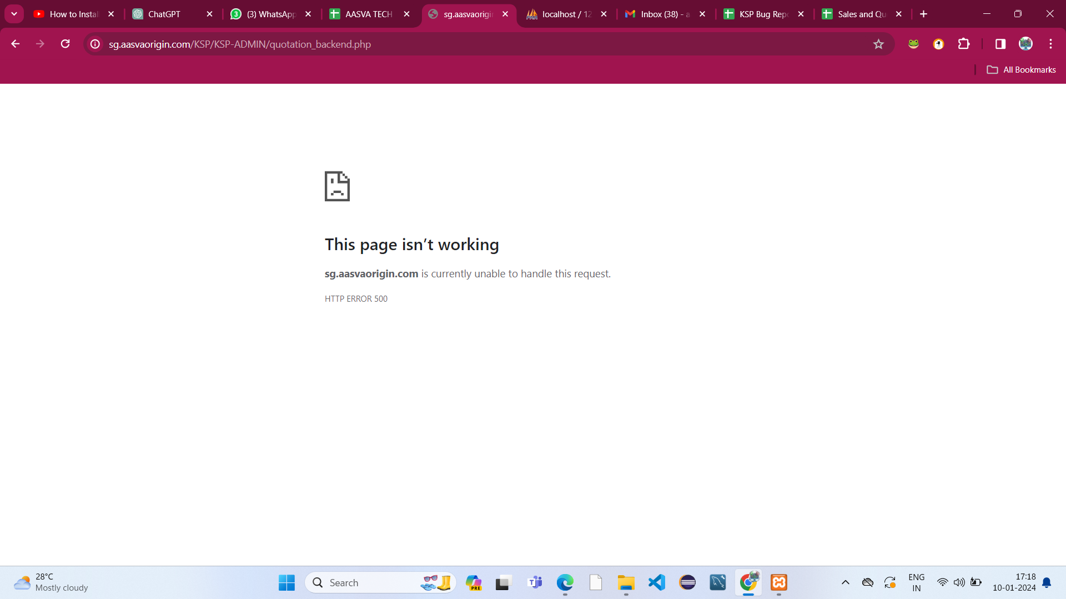 Pending
D_02 | TC_26 | Sales_Quotation Functionality | When adding multiple products it should calculate the total amount properly | Not as expected(when calculating the total price it seems to be with error) | Failed | Pending | 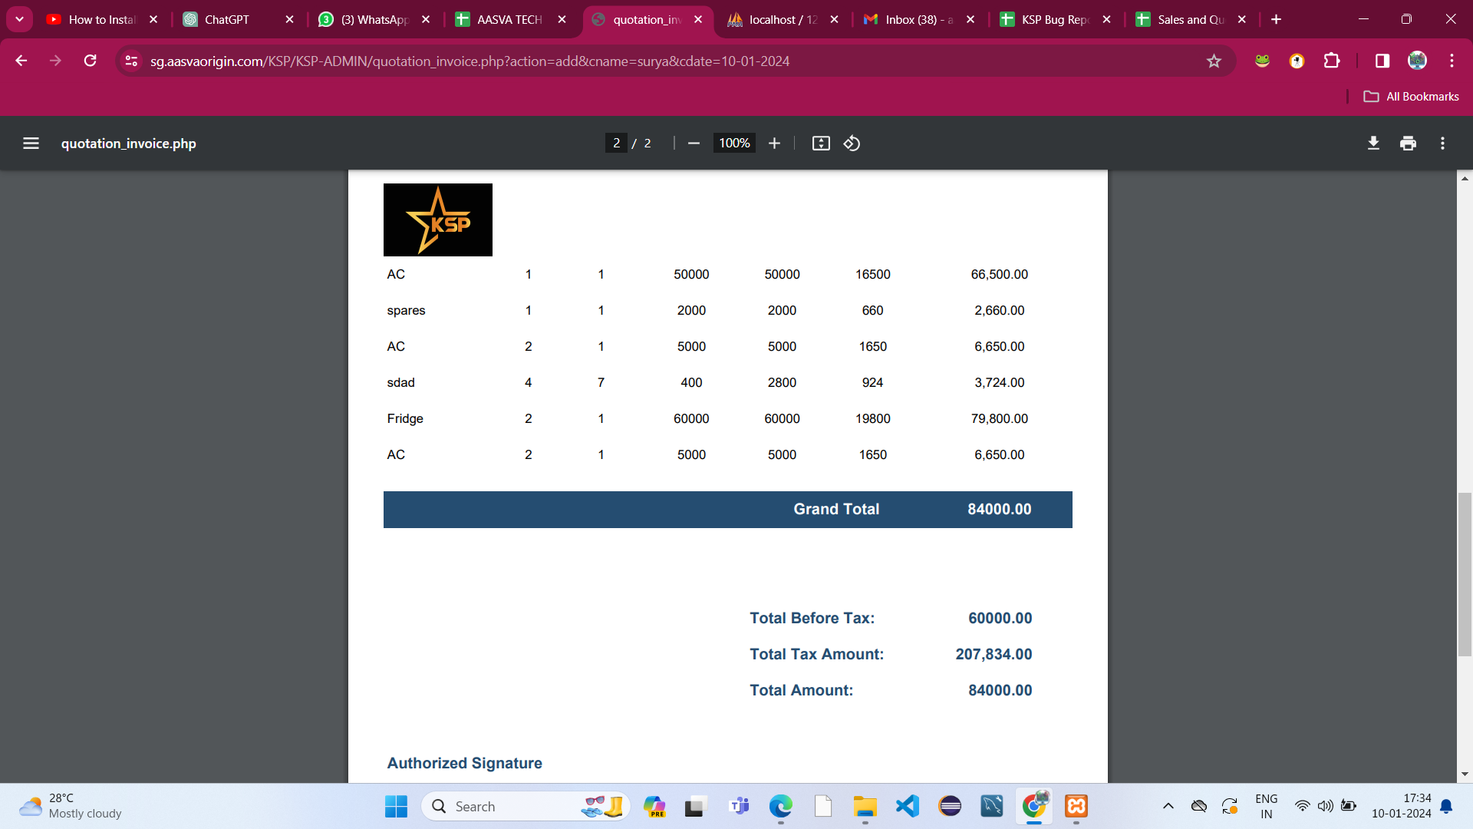
D_03 | TC_27 | Sales_Quotation Functionality | When adding multiple customers invoice details the invoice is not generating properly | Not as expected(The invoice report is generating previous report not updating to current invoice) | Failed | Pending
D_04 | TC_28 | Sales_Quotation Functionality | when selecting exsisting customers the pop up menu does not contain any invalid data | Not as expected(the popup menu contains invalid data like Test) | Failed | Pending | 